Application CAN DKS 2024
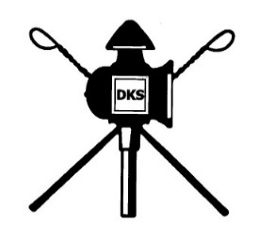

CAN 2024 in Danish Driving Society (DKS)

One turnout per registration - thank you!

Please fill in the grey areas on your PC - save the file locally and forward it as attachment to: jannekristiansen@mail.dk

Only this form is valid for registration. Registration is valid when payment is received.

Driver informaton

Driver name: |  |  |  |  |  | Telephone number:
Address: |  |  |  |  |  | Country: |  | ** Choose ** ->
E-mail: |  |  |  |  |  | Drivers license:
 |  |  |  |  |  |  | Evt. FEI Nr.:

Registration - classes

Class: | ** Choose ** -> |  | Turnout: | ** Choose ** -> |  |  |  | Dressage test: | ** Choose ** ->

Information on horse/pony and carriage

Name: |  | Year of birth: |  | Sex: | Hight: |  | Registration number. |  |  | (Chip number.)

 |  | Carriage width in cones: |  | cm.

 |  |  |  |  |  |  | Note numbner in grey column.
Special requests / comments: |  |  |  |  |  |  |  | EUR | Number | Total amount
 |  |  |  |  |  | Entry fee: |  | 450 | 1 | 450
 |  |  |  |  |  | Ekstra box: |  | 185 |  | 0
 |  |  |  |  |  | Ekstra camping: |  | 150 |  | 0

 |  |  |  |  |  |  | Total payment |  |  | 450 | €

You will receive an email with an invoice for payment of entry fee and extra as noted above.
 | Please remember to add driver's name on bank transfer.

Date: |  |  | Signature:

